Fraud Forecasting
Fraud Forecasting

The percentages in the table below represent the fraud amount per quarter by receive country, as a percentage of total dollar volume sent to that country.

Quarterly Fraud Rates by Receive Country
Date | India | Colombia | Kenya | Pakistan | Nigeria | Brazil
2019 Q1 | 1.65% | 1.15% | 3.25% | 1.40% | 5.00% | 1.00%
2019 Q2 | 1.30% | 1.00% | 2.75% | 1.30% | 4.35% | 0.95%
2019 Q3 | 1.50% | 1.25% | 3.50% | 1.50% | 5.25% | 1.10%
2019 Q4 | 1.85% | 1.65% | 4.15% | 1.60% | 5.65% | 1.25%
2020 Q1 | 1.70% | 1.55% | 2.85% | 1.50% | 5.25% | 1.20%
2020 Q2 | 1.45% | 1.10% | 2.55% | 1.45% | 4.95% | 0.90%
2020 Q3 | 1.85% | 1.50% | 3.00% | 1.55% | 6.00% | 1.10%
2020 Q4 | 2.00% | 1.60% | 3.75% | 1.60% | 6.50% | 1.25%
2021 Q1 | 1.75% | 1.25% | 3.25% | 1.50% | 4.00% | 1.05%

Questions:
A) We forecast $250 million being sent to India in 2021 Q2. What amount should we set aside as a fraud reserve? |  |  |  | $125,000 |  |  | 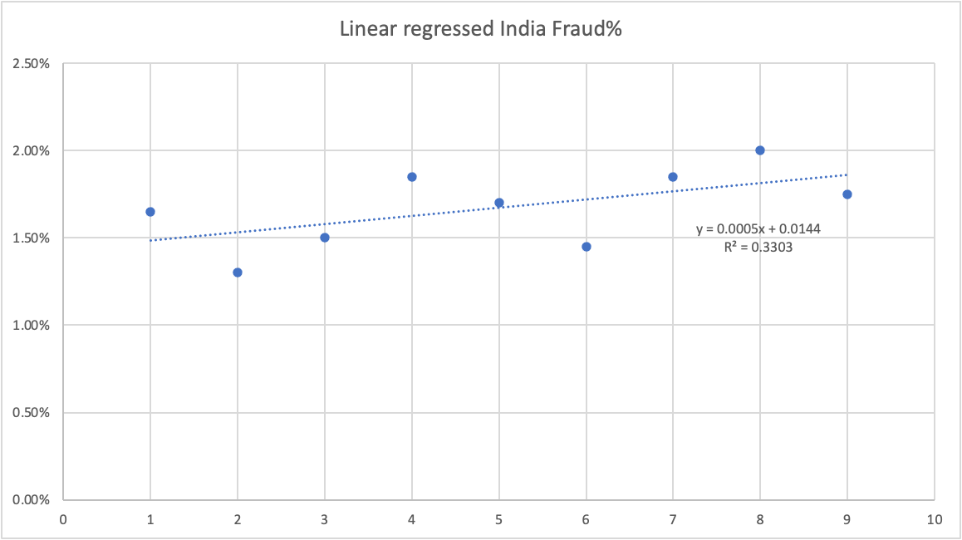

B) Brazil's 2021 Q1 send volume was $30 million. We forecast Brazil's 2021 Q2, Q3, and Q4 send volumes as $35 million, $55 million, and $90 million, respectively. What will out total 2021 fraud reserve for Brazil be? |  |  |  | $21,000 | Used the brazil linear regression equation; Below is by quarter for 2021 $30,000,000 $3,000.0 $35,000,000 $3,500.0 $55,000,000 $5,500.0 $90,000,000 $9,000.0

C) Suppose that we launched a new receive country, Lesotho, in 2021 Q1. How would you arrive at an initial estimate of a fraud rate? What assumptions are you making? What additional information would help you arrive at a more precise estimate? |  |  |  | I would use Nigeria's regression equation for the initial estimate of the fraud as that is the country close to Lesotho among the given countries here. Having Lesotho's fraud data in general, from goverment websites, or competitors would allow to further check |  |  | 